sales by categories
Total revenue by categories

Total Profit by categories

sales by subregion
Solds by subregion

sales by channels
Category solds by channel

shipping time
Impact of Shipping Time to countries on Revenue
Country | Shipping time | Total revenue
Hungary | 36 | $42,408,249.12
Russia | 34 | $46,051,659.81
Monaco | 33 | $13,828,738.16
Slovakia | 32 | $42,940,998.32
Georgia | 32 | $22,802,195.66
Finland | 31 | $26,027,948.98
Luxembourg | 30.5 | $33,075,377.21
Lithuania | 30 | $29,031,942.10
Bosnia and Herzegovina | 30 | $50,117,508.49
Ukraine | 29 | $53,252,317.54
Montenegro | 29 | $31,346,476.90
Austria | 29 | $35,740,871.49
Belgium | 28.5 | $25,852,572.30
Sweden | 28 | $35,482,128.02
Czech Republic | 28 | $53,543,932.14
Switzerland | 27.5 | $31,875,174.00
Poland | 27 | $33,805,403.22
Netherlands | 27 | $20,860,788.79
Albania | 27 | $32,224,853.87
Belarus | 26.5 | $34,236,260.77
Bulgaria | 26 | $38,161,555.70
Andorra | 26 | $47,756,693.17
France | 25.5 | $39,362,112.15
Slovenia | 25 | $38,892,531.27
Spain | 24.5 | $28,423,931.39
Romania | 24 | $34,286,150.85
Germany | 24 | $38,055,087.56
Armenia | 24 | $37,519,840.21
Norway | 23.5 | $31,520,698.50
Italy | 23.5 | $35,878,352.12
Greece | 23.5 | $38,699,541.70
Cyprus | 23.5 | $33,008,851.50
Malta | 23 | $47,145,320.81
Ireland | 22.5 | $33,022,223.31
Latvia | 21 | $38,722,084.15
Iceland | 21 | $25,570,227.40
Denmark | 21 | $26,968,532.52
San Marino | 20.5 | $47,883,708.48
Macedonia | 19.5 | $49,222,085.25
United Kingdom | 19 | $26,654,989.47
Portugal | 19 | $47,172,189.84
Liechtenstein | 18.5 | $29,872,564.41
Serbia | 18 | $42,193,537.74
Impact of Shipping Time of categories on Revenue
Estonia | 17 | $23,410,001.79
Croatia | 12.5 | $27,502,910.59

Item Type | Shipping time | Total revenue
Baby Food | 28.5 | $143,647,587.68
Beverages | 23 | $29,093,160.85
Cereal | 29 | $95,791,404.50
Clothes | 21 | $64,626,552.80
Cosmetics | 28 | $233,154,825.20
Fruits | 23 | $5,520,299.76
Household | 24 | $294,205,199.23
Meat | 25 | $225,805,653.36
Office Supplies | 27 | $402,213,995.61
Personal Care | 20 | $45,962,745.29
Snacks | 25 | $74,788,612.80
Vegetables | 21 | $89,746,728.64

Impact of Shipping Time to regions on Revenue

sales by year
Category dynamic by year

Country dynamic by year

Region dynamic by year

sales by month
Country dynamic by month

Category dynamic by month

Region dynamic by year

sales by weekday
Order weekday | Units Sold | Average revenue | Average Profit | Average Shipping time | Total profit/Total revenue
1 | 5,310 | $728,569.76 | $248,133.60 | 26.7 | 19.39%
2 | 5,238 | $751,878.44 | $291,414.90 | 23.6 | 24.80%
3 | 4,611 | $688,272.20 | $271,399.08 | 23.6 | 33.00%
4 | 4,522 | $868,696.91 | $292,650.68 | 23.9 | 43.07%
5 | 5,077 | $771,939.85 | $274,236.72 | 25.1 | 43.07%
6 | 4,737 | $816,330.76 | $294,632.95 | 26.1 | 24.80%
7 | 5,391 | $680,791.14 | $258,110.34 | 24.5 | 67.20%

Dynamic by weekday

ABC test
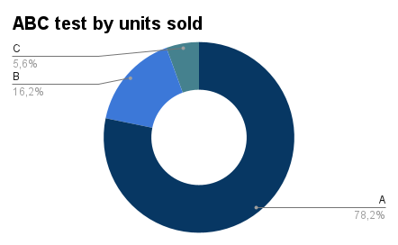
Item Type | Units Sold | % from total | Cumulative % | Group
Beverages | 80,954 | 15.77% | 15.77% | A
Snacks | 74,154 | 14.44% | 30.21% | A
Cosmetics | 62,307 | 12.13% | 42.34% | A
Office Supplies | 52,535 | 10.23% | 52.57% | A
Vegetables | 46,787 | 9.11% | 61.68% | A
Meat | 43,722 | 8.51% | 70.20% | A
Fruits | 41,202 | 8.02% | 78.22% | A
Household | 33,192 | 6.46% | 84.69% | B
Personal Care | 25,891 | 5.04% | 89.73% | B
Clothes | 24,205 | 4.71% | 94.44% | B
Baby Food | 23,002 | 4.48% | 98.92% | C
Cereal | 5,543 | 1.08% | 100.00% | C
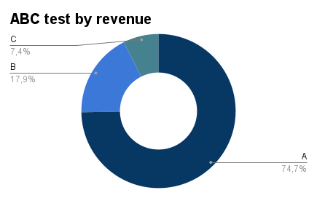
Item Type | Total revenue | % from total | Cumulative % | Group
Office Supplies | $34,211,317.35 | 25.04% | 25.04% | A
Cosmetics | $27,240,620.40 | 19.94% | 44.99% | A
Household | $22,181,217.84 | 16.24% | 61.22% | A
Meat | $18,445,874.58 | 13.50% | 74.73% | A
Snacks | $11,314,417.32 | 8.28% | 83.01% | B
Vegetables | $7,208,005.22 | 5.28% | 88.29% | B
Baby Food | $5,871,950.56 | 4.30% | 92.59% | B
Beverages | $3,841,267.30 | 2.81% | 95.40% | C
Clothes | $2,645,122.40 | 1.94% | 97.33% | C
Personal Care | $2,116,071.43 | 1.55% | 98.88% | C
Cereal | $1,140,195.10 | 0.83% | 99.72% | C
Fruits | $384,414.66 | 0.28% | 100.00% | C

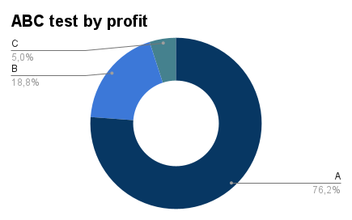
 |  |  | Cumulative % | Group
 |  |  | 18.48% | A
 |  |  | 34.02% | A
 |  |  | 48.55% | A
 |  |  | 59.30% | A
 |  |  | 67.96% | A
 |  |  | 76.18% | A
 |  |  | 83.51% | B
 |  |  | 89.61% | B
 |  |  | 94.99% | B
 |  |  | 97.80% | C
 |  |  | 99.72% | C
 |  |  | 100.00% | C

Group | Category | Test by | Group №
A | Beverages | Units sold | 1
A | Snacks | Units sold | 1
A | Cosmetics | Units sold | 1
A | Office Supplies | Units sold | 1
A | Vegetables | Units sold | 1
A | Meat | Units sold | 1
A | Fruits | Units sold | 1
B | Household | Units sold | 2
B | Personal Care | Units sold | 2
B | Clothes | Units sold | 2
C | Baby Food | Units sold | 3
C | Cereal | Units sold | 3
A | Office Supplies | Revenue | 1
A | Cosmetics | Revenue | 1
A | Household | Revenue | 1
A | Meat | Revenue | 1
B | Snacks | Revenue | 2
B | Vegetables | Revenue | 2
B | Baby Food | Revenue | 2
C | Beverages | Revenue | 3
C | Clothes | Revenue | 3
C | Personal Care | Revenue | 3
C | Cereal | Revenue | 3
C | Fruits | Revenue | 3
A | Cosmetics | Profit | 1
A | Office Supplies | Profit | 1
A | Household | Profit | 1
A | Baby Food | Profit | 1
A | Clothes | Profit | 1
A | Cereal | Profit | 1
B | Vegetables | Profit | 2
B | Meat | Profit | 2
ABC test for categories by profit, revenue and units sold
B | Snacks | Profit | 2
C | Personal Care | Profit | 3
C | Beverages | Profit | 3
C | Fruits | Profit | 3

Dashboard
Solds by subregion
Total Profit by categories
Profit by countries

Category dynamic by month
ABC test for categories by profit, revenue and units sold
Impact of Shipping Time to countries on Revenue

